Methodology
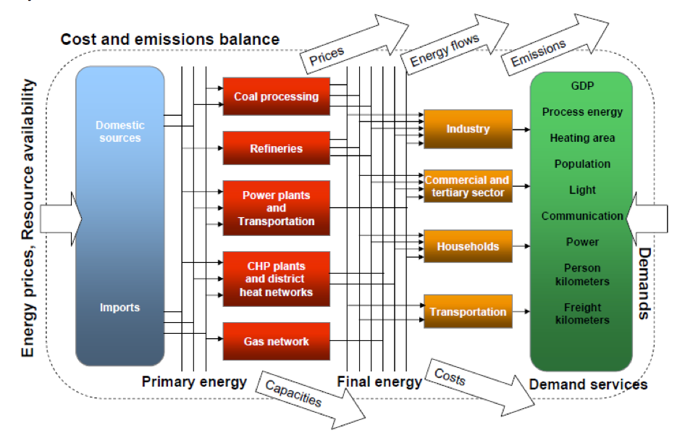


Here is a 30 minute tutorial on TIMES from Prof George Giannakidis on how TIMES works
The image below explains the energy flows, inputs and outputs from TIMES
Overview
The main model used in this analysis is the TIMES model of Ireland. The development of the TIMES model was funded by SEAI and the Environmental Protection Agency in Ireland. It provides cross-sectoral evidence-based analysis for climate and energy policy. The model represents the Irish energy system and its possible long-term evolution through a network of processes that transform, transport, distribute and convert energy from its supply sector (fuel mining, primary and secondary production, exogenous import and export) to its power generation sector (including also the combined heat and power) and demand sectors (residential, commercial and public services, agricultural, transport and industry). It uses long-term macroeconomic projections of GDP, population growth and commodity costs to derive future scenarios of energy service demands such as heating, lighting, mobility, electricity and uses an optimisation framework to determine the least cost suite of technologies and measures to meet these demands over the long term. The strong point of the TIMES modelling framework is that it combines a detailed, technology-rich database with an economically optimising solver. It generates robust energy policy scenarios over medium to long time horizons and these can offer strategic insights into long-term decarbonisation policy. This is especially important for the energy sector, which has large capital investments with long project lifetimes. The Irish TIMES model does provide very useful guidance into how to achieve policy decisions (e.g. renewable electricity targets) using a least-cost approach. The complex dynamics (incorporating technologies, fuel prices, infrastructures and capacity constraints) of the entire energy system can be analysed through this modelling approach to better inform policy choices. A key strength of integrated energy systems models is that they approach energy as a system rather than as a set of discrete non-interactive elements. This has the advantage of providing insights into the most important substitution options that are linked to the system as a whole, which cannot be understood when analysing a single technology, commodity or sector. A focus on the electricity sector, for example, risks excluding possible unforeseen step changes in electricity demand, because of, perhaps, the electrification of transport or of heating. Current energy systems are the result of complex country-dependent, multi-sector developments. The TIMES model looks at long term scenarios out to the year 2070 and is computationally limited in terms of time resolution. To provide a detailed analysis of the power system TIMES soft-links using techniques developed here to a dedicated PLEXOS electricity system model to provide greater analysis of the electricity system. The PLEXOS model takes projections for annual power system capacity, annual electricity demand, EV deployment, electric heatpumps uptake and energy efficiency measures and analyses this at hourly resolution to determine the precise impact on the power system. PLEXOS is an industry-standard software used widely in Ireland by SEAI for national energy projections, by the CRU for electricity market validation and EirGrid for future electricity scenarios. It allows each individual year to be examined at in detail at high resolution. The model spans the EU 27 + the UK with detailed representation of the power system in Ireland from TIMES and summary representation of European countries from European Commissions published scenarios. This allows the value of interconnection to be quantified. The PLEXOS model simulates the future power system at hourly resolution which captures the impact of high levels of variable renewables on power system security, flexibility and wholesale electricity prices. The TIMES model has been peer reviewed here https://www.sciencedirect.com/science/article/pii/S0301421512009263

Energy Services Demand
Energy Service Demand are presented here (for example the amount of car road travel in passenger kilometres, residential lighting final energy in PJ, cement production in Mt, etc.Projecting future energy service demands over the time horizon within TIMES require two sets of parameters: demand drivers and elasticities. Both demand drivers (for example population, GDP, number of households) and demand elasticities are mostly linked to economic activity and to energy prices, which are usually exogenously obtained via other models or from accepted other sources. To drive the demand component in Irish TIMES, macro-economic forecasts from the Economic and Social Research Institute are used as demand drivers that are summarised in the lower table, in conjunction with GEM-E3’s industry Autonomous Energy Efficiency Improvement (AEEI)(GEM-E3). Ireland’s published baseline national energy forecasts (Walker et al., 2009) were used to calibrate the elasticities used in the reference energy scenario within Irish TIMES
Full details of these drivers are in the journal publication https://www.sciencedirect.com/science/article/pii/S0301421512009263
Energy Service Demands

 | Active Unit:
 | CommodityCodeDesc\Period | 2020 | 2030 | 2050 | Unit
 | TAI [Aviation international Generic] | 55.5 | 60.7 | 66.1 | TAI | PJ | List of exogenous energy service demands in the Irish TIMES model.
 | TAV [Aviation Generic.] | 0.5 | 0.5 | 0.6 | TAV | PJ | Code | Description | Unit (⁎) | Code | Description
 | TBI [Road.Bus.Intercity.] | 5712.9 | 5855.9 | 6003.2 | TBI | Mp⁎km |  | Residential (20) |  |  | Industry (13)
 | TBU [Road.Bus.Urban.] | 1428.2 | 1487.0 | 1525.6 | TBU | Mp⁎km | RCDR | Clothes drying. | PJ
 | TCL [Road.Car.Long Distance.] | 44823.3 | 51850.7 | 61778.9 | TCL | Mp⁎km | RCOK | Cooking | PJ
 | TCS [Road.Car.Short Distance.] | 11238.3 | 12789.4 | 15489.4 | TCS | Mp⁎km | RCWA | Clothes washing | PJ
 | TFR [Road.Freight.] | 23616.7 | 25735.5 | 28817.5 | TFR | Mt⁎km | RDWA | Dish washing | PJ
 | TMO [Road.Moto.] | 568.7 | 608.5 | 618.0 | TMO | Mp⁎km | RHME | Space heat.multi.all.existing. | PJ
 | TNA [Navigation.Generic.] | 37.1 | 37.2 | 45.3 | TNA | PJ | RHMN | Space Heat.multi.all.new | PJ
 | TNB [Navigation.Generic.Bunker] | 2.8 | 2.8 | 2.8 | TNB | PJ | RHRE | Space heat.single.rural.ex | PJ
 | TTF [Rail.Freight.] | 400.1 | 457.2 | 488.2 | TTF | Mt⁎km | RHRN | Space heat.single.rural.new | PJ
 | TTL [Rail.Passengers.Light.] | 128.7 | 138.1 | 146.4 | TTL | Mp⁎km | RHUE | Space heat.single.urban.ex | PJ
 | TTP [Rail.Passengers.Heavy.] | 1954.0 | 2002.9 | 1918.0 | TTP | Mp⁎km | RHUN | Space heat.single.urban.new | PJ
 | RCDR[Clothes drying.] | 27.9 | 29.8 | 30.3 | RCDR | PJ | RLIG | Lighting | PJ
 | RCOK[Cooking] | 80.1 | 83.6 | 82.3 | RCOK | PJ | ROEN | Other energy | PJ
 | RCWA[Clothes washing] | 31.2 | 32.6 | 33.0 | RCWA | PJ | RREF | Refrigeration | PJ
 | RDWA[Dish washing] | 28.1 | 30.0 | 30.0 | RDWA | PJ | RWME | Water heat.multi.all.existing. | PJ
 | RHME[Space heat.multi.all.existing.] | 53.9 | 45.2 | 29.6 | RHME | PJ | RWMN | Water heat.multi.all.new | PJ
 | RHMN[Space Heat.multi.all.new] | 39.8 | 47.8 | 62.9 | RHMN | PJ | RWRE | Water Heat.single.rural.ex | PJ
 | RHRE[Space heat.single.rural.ex] | 480.2 | 367.4 | 245.3 | RHRE | PJ | RWRN | Water heat.single.rural.new | PJ
 | RHRN[Space heat.single.rural.new] | 81.8 | 92.7 | 129.4 | RHRN | PJ | RWUE | Water heat.single.urban.ex | PJ
 | RHUE[Space heat.single.urban.ex] | 728.2 | 633.4 | 536.9 | RHUE | PJ | RWUN | Water heat.single.urban.new | PJ
 | RHUN[Space heat.single.urban.new] | 75.5 | 91.6 | 119.5 | RHUN | PJ | CCOK | Cooking. | PJ
 | RLIG[Lighting] | 134.2 | 145.6 | 154.2 | RLIG | PJ | CCLE | Space cool.large. | PJ
 | ROEL[] | 153.5 | 175.5 | 180.9 | ROEL | PJ | CCSE | Space cool.small. | PJ
 | RREF[Refrigeration] | 71.6 | 74.8 | 75.9 | RREF | PJ | CHLE | Space heat.large. | PJ
 | RWME[Water heat.multi.all.existing.] | 16.7 | 13.8 | 9.2 | RWME | PJ | CHSE | Space heat.small. | PJ
 | RWMN[Water heat.multi.all.new] | 25.9 | 34.3 | 49.2 | RWMN | PJ | CLIG | Lighting. | PJ
 | RWRE[Water Heat.single.rural.ex] | 146.6 | 115.9 | 74.9 | RWRE | PJ | COEL | Other electric. | PJ
 | RWRN[Water heat.single.rural.new] | 52.5 | 72.9 | 99.6 | RWRN | PJ | CPLI | Public Lighting. | PJ
 | RWUE[Water heat.single.urban.ex] | 227.0 | 192.0 | 167.4 | RWUE | PJ | CREF | Refrigeration. | PJ
 | RWUN[Water heat.single.urban.new] | 49.4 | 65.4 | 93.9 | RWUN | PJ | CWLE | Water heat.large. | PJ
 | ICH[Other chemicals] | 12.3 | 12.8 | 13.5 | ICH | PJ | CWSE | Water heat.small. | PJ
 | ICM[Cement] | 4.3 | 4.2 | 4.7 | ICM | Mt | ONE | Other sector. | PJ
 | ILM[Lime] | 0.3 | 0.3 | 0.3 | ILM | Mt | IAL | Aluminium | Mt
 | INF[Other non-ferrous Metals] | 16.2 | 16.6 | 17.8 | INF | PJ | IAM | Ammonia | Mt
 | INM[Other non-metallic minerals] | 3.7 | 3.3 | 3.4 | INM | PJ | ICH | Other chemicals | PJ
 | IOI[Other non-energy intensive] | 30.3 | 30.6 | 30.7 | IOI | PJ | ICL | Chlorine | Mt
 | CCLE [Com.Space Cool.Large.Existing.] | 96.4 | 104.5 | 112.5 | CCLE | PJ | ICM | Cement | Mt
 | CCOK [Com.Cooking.Existing.] | 113.4 | 124.8 | 128.2 | CCOK | PJ | ICU | Copper | Mt
 | CCSE [Com.Space Cool.Small.Existing.] | 41.3 | 45.5 | 48.2 | CCSE | PJ | IFB | Food and beverages | PJ
 | CHLE [Com.Space Heat.Large.Existing.] | 483.3 | 467.0 | 470.4 | CHLE | PJ | IIS | Iron and steel | Mt
 | CHSE [Com.Space Heat.Small.Existing.] | 202.1 | 195.3 | 196.7 | CHSE | PJ | ILM | Lime | Mt
 | CLIG [Com.Lighting.Existing.] | 425.9 | 565.9 | 694.3 | CLIG | PJ | INF | Other non-ferrous Metals | PJ
 | COEL [Com.Other Electric.Existing.] | 928.2 | 1706.4 | 1827.9 | COEL | PJ | INM | Other non-metallic minerals | PJ
 | CPLI [Com.Public Lighting.Existing.] | 94.8 | 110.5 | 122.4 | CPLI | PJ | IOI | Other non-energy intensive | PJ
 | CREF [Com.Refrigeration.Existing.] | 52.6 | 61.3 | 67.9 | CREF | PJ | IPL | Low quality paper | Mt
 | CWLE [Com.Water Heat.Large.Existing.] | 134.2 | 125.3 | 130.6 | CWLE | PJ
 | CWSE [Com.Water Heat.Small.Existing.] | 57.5 | 54.6 | 56.0 | CWSE | PJ
 |  |  |  |  |  |  |  | Transport (13)
 |  |  |  |  |  |  | TAI | Aviation international | PJ
 |  |  |  |  |  |  | TAV | Aviation generic. | PJ
 |  |  |  |  |  |  | TBI | Road bus intercity. | Mp⁎km
 |  |  |  |  |  |  | TBU | Road bus urban. | Mp⁎km
 |  |  |  |  |  |  | TCL | Road car long distance. | Mp⁎km
 |  |  |  |  |  |  | TCS | Road car.short distance. | Mp⁎km
 |  |  |  |  |  |  | TFR | Road freight. | Mt⁎km
 |  |  |  |  |  |  | TMO | Road moto | Mp⁎km
 |  |  |  |  |  |  | TNA | Navigation generic | PJ
 |  |  |  |  |  |  | TNB | Navigation generic bunker | PJ
 |  |  |  |  |  |  | TTF | Rail freight. | Mt⁎km
 |  |  |  |  |  |  | TTL | Rail passengers light. | Mp⁎km
 |  |  |  |  |  |  | TTP | Rail passengers heavy. | Mp⁎km

 |  |  |  |  |  |  |  | Agriculture (1)
 |  |  |  |  |  |  | AGR | Agriculture, fishery, forestry | PJ

 |  |  |  |  |  |  |  | Non energy (1)
 |  |  |  |  |  |  | NEO | Others | PJ

